Sheet1
 |  | Document No. | Issue No. | Issue Date |  | Review and Replace Date |  | Authorised By
 |  | GFF530MC | 1 | 28.08.2025 |  | New doc
 |  | Document Title | GAZEBO DELI PRAWN BHUNA 1250g
 |  | New doc |  |  | Page |  | 1 of 1 | Magda Shah
Document amendments reason for change |  |  |  |  | Previous Issue Date |  | New doc | Uncontrolled copy unless signed original

CPBH-B1B | GAZEBO DELI - BOOTHS |  | GAZEBO DELI PRAWN BHUNA 1250g
STEP 1 |  |  |  |  | STEP 2
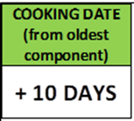 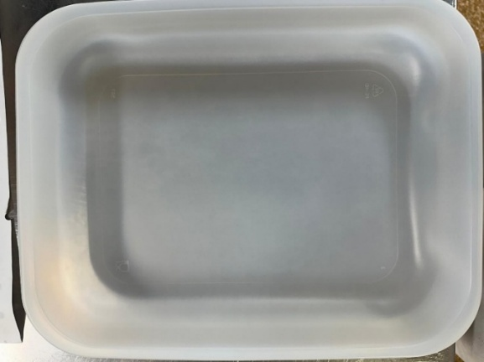 |  |  |  |  | 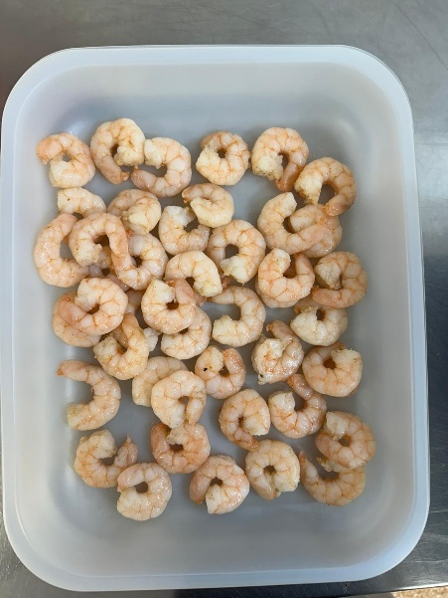

Tray: 597 natural (320x245x50mm) -PKPRO001-20 Film: S340AF 340mmX510mm AF&HB Weld- PKPRO001-17 |  |  |  |  | Marinated King Prawns (Ready Meals)-GFF403R - 420g

STEP 3 |  |  |  |  | STEP 4
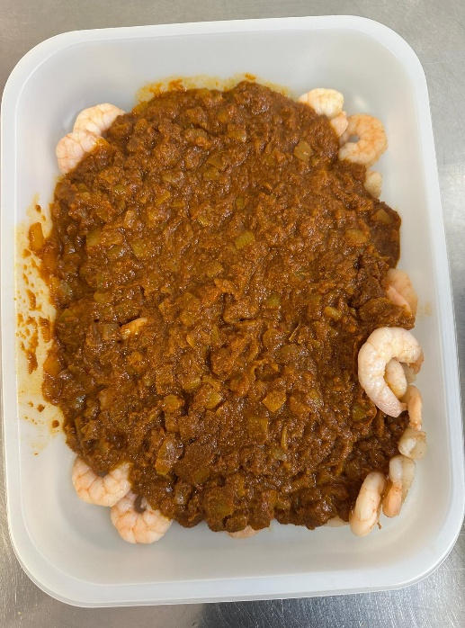 |  |  |  |  | 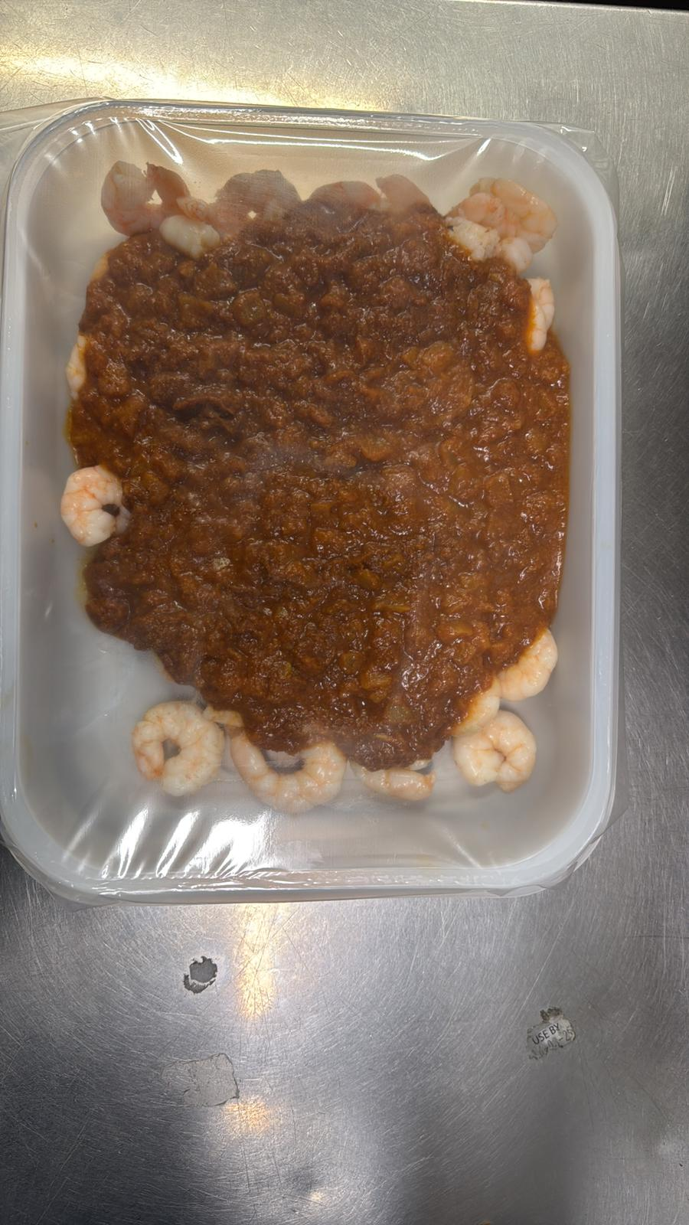

Bhuna Curry Sauce -GFF536R - 830g |  |  |  |  | PRAWN BHUNA 1250g |  |  |  | 1250g
ALLERGY ALERT: Crustaceans

